Sheet1
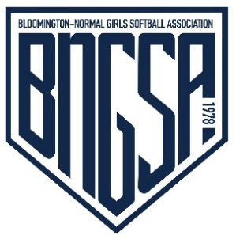
BNGSA Income/Deposit Form
Travel Program Player Fee and Sponsorship Deadline is February 1, 2023.

Date |  |  | Submitted By

Select One Budget
Administration --> |  |  | Treasurer Contact Information
In Town Program --> |  |  | Melissa Petersen
Travel Tournament --> |  |  | Mail: BNGSA -- PO Box 673 - Bloomington, IL 61702-0673
Grant --> |  |  | Cell: 309-530-4519 --- E-Mail: bngsatreasurer@gmail.com
Travel Program --> |  | XX | Travel Team Name -->

Deposit Description
Split DH for Umpire against Starved Rock Bandits on 5/27/25

 |  |  | If Applicable --->>> | Indicate by an "x"
Check # | Name on Check |  | Player Name | Fees? | Sponsor? | Amount

Cash
Total Deposit |  |  |  |  |  | $0.00

TRESURER'S USE ONLY

Quickbooks Entry Date: Bank Deposit Date: File Folder:

